Execution Report
 |  |  |  | Test Report

Test cycle | System test
Test environment | Test environment
Project name | Bblog
Sprint | Sprint 5
Manual:
Executed | Passed | 9
 | Failed | 3
 | Total test executed (Passed + Failed) |  | 12
Pending |  |  | 0
In progress |  |  | 0
Blocked |  |  | 0
Total test cases |  |  | 12

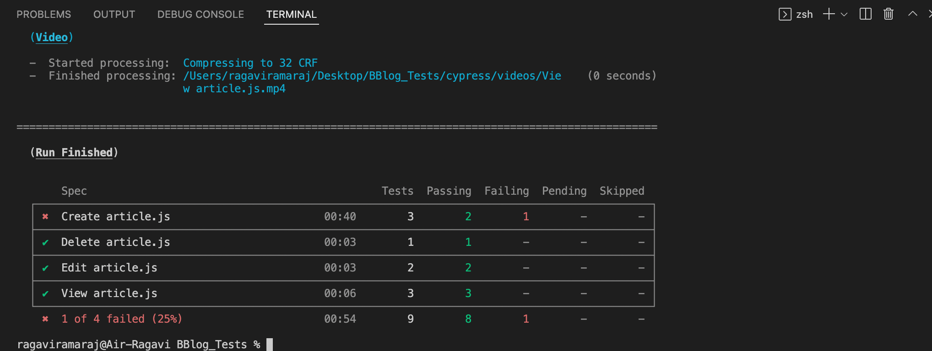
Automation:
Executed | Passed | 8
 | Failed | 1
 | Total test executed (Passed + Failed) |  | 9
Pending |  |  | 3
In progress |  |  | 0
Blocked |  |  | 0
Total test cases |  |  | 12

